Quick Start
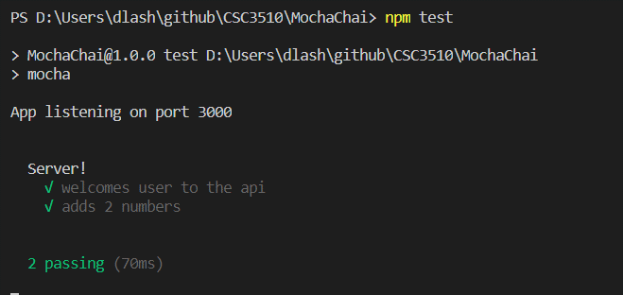
https://dev.to/easybuoy/testing-node-api-with-mocha-chai-248b

Mocha = JavaScript test framework running on Node.js

Chai => a BDD (Behaviour-Driven Development) / TDD (Test-Driven Development) assertion library for nodejs

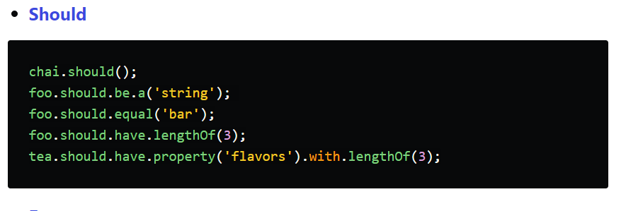

var expect = chai.expect;
expect(foo).to.be.a('string');
expect(foo).to.equal('bar');
expect(foo).to.have.lengthOf(3);
expect(tea).to.have.property('flavors').with.lengthOf(3);

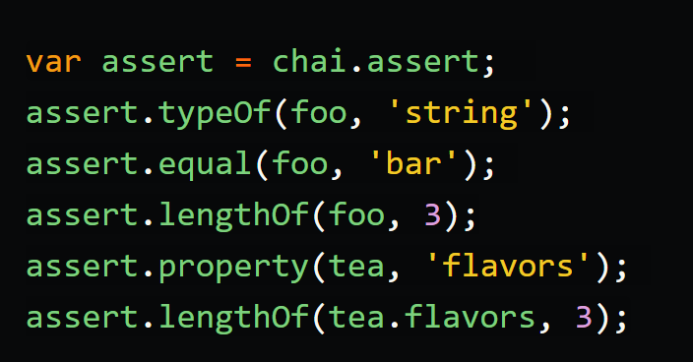

s

Getting installed ...

create our project folder and initialize it with npm to generate the package.json file.

Install dependancies

Start the app and test
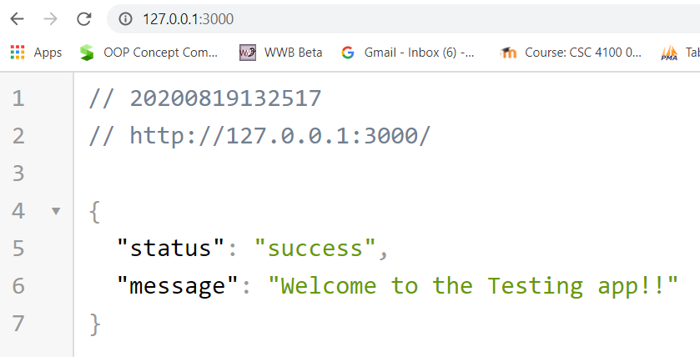
 | S

Test directory .... create a test directory in your project,
and then create an app.test.js file inside the test directory created.
Note: The reason we're adding our tests to the test directory is that mocha searches for a test directory in your project by default, although this can be configured to suit your style.

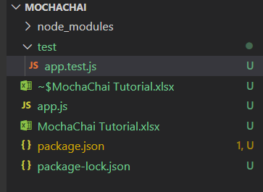
This is what directory structure looks like now (not counting the xlsx file

Now ... use npm test ... to test the program

istanbul
https://dev.to/easybuoy/testing-node-api-with-mocha-chai-248b - interesting

https://istanbul.js.org/docs/tutorials/mocha/

https://stanislas.blog/2019/03/node-js-easily-check-code-coverage-instanbul-nyc/

Install the istanbul cli ...We will use Istanbul via its CLI client, nyc.

place the bin nyc in front of the existing test scripts in your package.json:
nyc uses Istanbul's text reporter. Various other reporters are available. You can view the full list on the Using Alternative Reporters page.

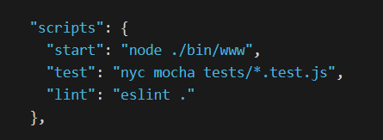

Can use mutiple reporters

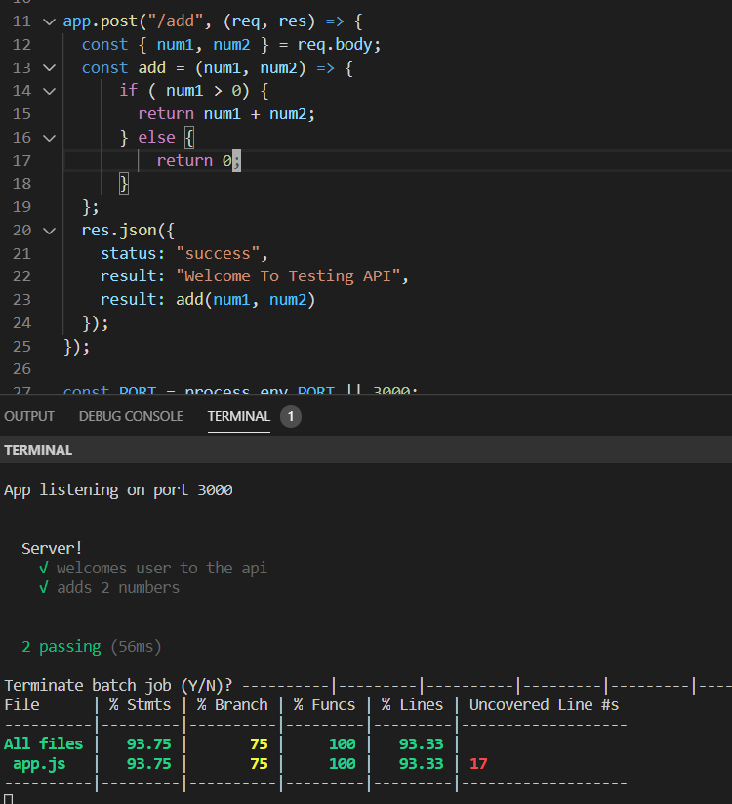

add a branch that makes no sense but gets us < 100% coverage

